Q1 template
Issue No | Description | Line
1 | Incorrect loop condition | 14
2 | Variable average is declared but never used | 12
3 | Incorrect condition check for even numbers | 14
4 | Condition check is outside the loop | 14
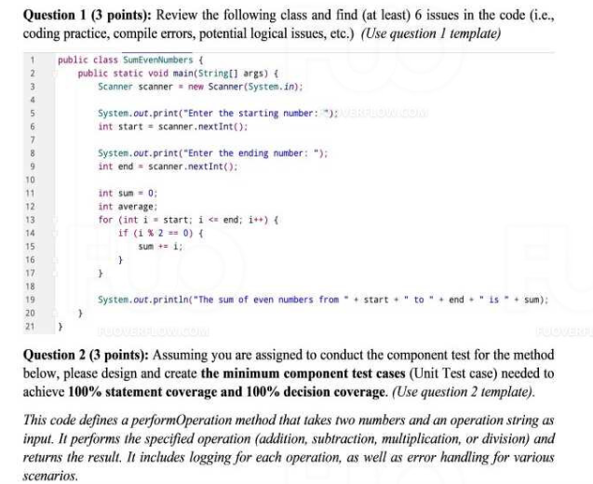
5 | Incorrect output statement | 19
6 | Missing scanner close statement | N/A

* Notes: | Blue text is sample, needed to be deleted in the answer

Q2 template
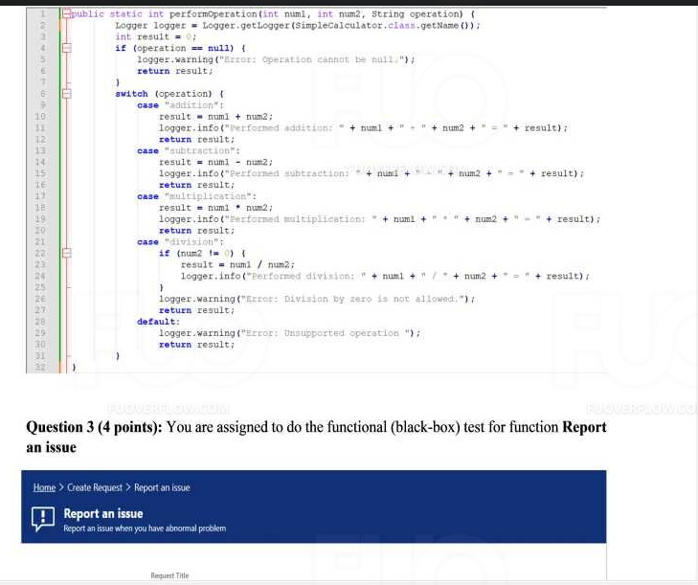
Function Code |  | PerformOperation |  | Function Name |  |  |  |  |  | performOperation
Created By |  | Nguyen Trong Nghia |  | Executed By
Lines of code |  |  |  | Lack of test cases |  |  |  |  |  | -2
Test requirement |  | The performOperation function is designed to perform basic arithmetic operations (addition, subtraction, multiplication, and division) on two integer inputs. The function also handles several edge cases, including unsupported operations, null operation inputs, and division by zero.
Passed |  | Failed |  | Untested |  |  |  |  |  | N/A/B |  |  | Total Test Cases
7 |  | 0 |  | -5 |  |  |  |  |  | 4 | 3 | 0 | 2

 |  |  |  | UTCID01 | UTCID02
Condition | Precondition

 | Input condition
 | num1
 |  |  | 5 | O | O |  | O
 |  |  | 6 |  |  | O |  | O | O | O

 | num2
 |  |  | 3 | O | O | O | O |  | O | O
 |  |  | 0 |  |  |  |  | O

 | operation
 |  |  | addition | O
 |  |  | subtraction |  | O
 |  |  | division |  |  | O |  | O
 |  |  | multiplication |  |  |  | O
 |  |  | null |  |  |  |  |  | O
 |  |  | modulus |  |  |  |  |  |  | O

Confirm | Return
 |  |  | 8 | O
 |  |  | 2 |  | O | O
 |  |  | 0 |  |  |  |  | O | O | O
 |  |  | 15 |  |  |  | O
 | Exception

 | Log message
 |  |  | Performed addition: 5 + 3 = 8 | O
 |  |  | Performed division: 6 / 3 = 2 |  |  | O
 |  |  | Performed multiplication: 5 * 3 = 15 |  |  |  | O
 |  |  | Error: Division by zero is not allowed. |  |  |  |  | O
 |  |  | Error: Operation cannot be null. |  |  |  |  |  | O
 |  |  | Error: Unsupported operation. |  |  |  |  |  |  | O
 |  |  | Performed subtraction: 5 - 3 = 2 |  | O
Result | Type(N : Normal, A : Abnormal, B : Boundary) |  |  | N | N | N | N | A | A | A
 | Passed/Failed |  |  | P | P | P | P | P | P | P
 | Executed Date
 | Defect ID

* Notes: | Blue text is sample, needed to be deleted in the answer
 | Don't edit the grey cell

Q3.1 template
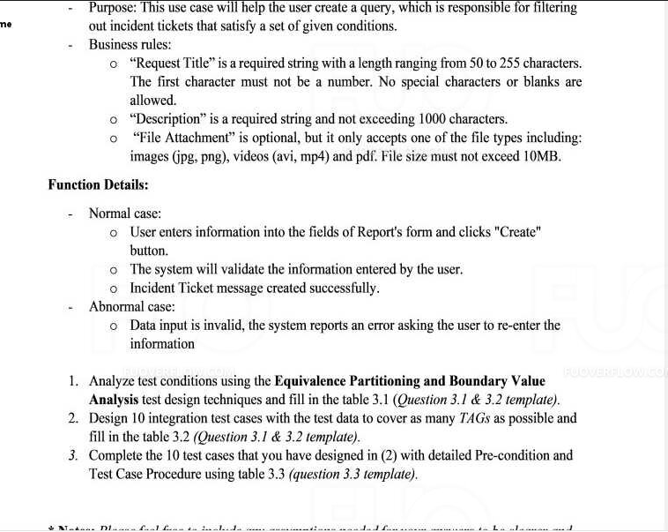
Table 3.1 Test Analysis

Condition | Valid Partitions | Tag | Invalid Partitions | Tag | Valid Boundaries | Tag | Invalid Boundaries | Tag
Request Title | 50 – 255 chars | VP1 | < 50 chars | IP1 | 50 chars | VB1 | 49 chars | IB1
 | No special chars | VP2 | > 255 chars | IP2 | 255 chars | VB2 | 256 chars | IB2
 |  |  | Special chars | IP3 |  |  | 0 chars | IB3
Description | 1 – 1000 chars | VP3 | < 1 char | IP4 | 1 char | VB3 | 1001 chars | IB4
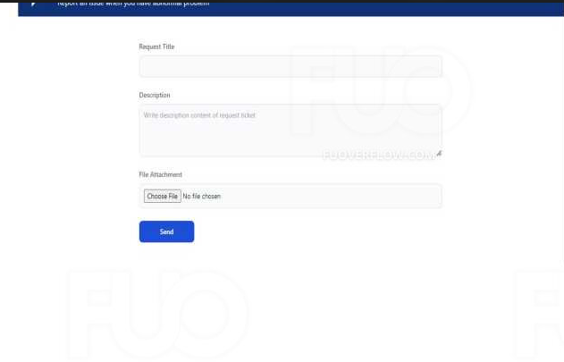
 |  |  | > 1000 chars | IP5 | 1000 chars | VB4 | Special chars | IB5
File Attachment | jpg, png, avi, mp4, pdf | VP4 | Unsupported formats | IP6 | 10MB | VB5 | > 10MB | IB6

* Notes: | Blue text is sample, needed to be deleted in the answer

